1. Title Page
[Grocery Basket Analysis]

Project Name: Istacart Grocery Basket Analysis
Date: 04.05.2022
Analyst Name: Viktoria Dyk
Data Citation:
The Instacart Online Grocery Shopping Dataset 2017”, Accessed from https://www.instacart.com/datasets/grocery-shopping-2017 on 04.05.2022.
Please note that the customer data , as well as the “prices” column in the products data set, were both fabricated for the purpose of this course.

Contents:
Population Flow
Consistency checks
Wrangling steps
Column derivations
Visualizations
Recommendations

2. Population Flow
Title page

Population flow (columns; rows)

Exclusion flag
Condition: max_order < 5
Obervations to be removed: 1,440,295
Final total count of order_products_all: (30,964,564; 32)

Orders_products_combined
Orders_products_merged
Orders_products_all

Total: (32,434,489; 10 )
Total: (32,404,859 ; 13)
Total: (32,404,859; 32)

1.) The grey boxes in the first row of the population flow represent the original data
2.) The second row of boxes (coloured) represents the data sets after manipulation, e.g., removed missing values and duplicates.
3.) The third row, where also the arrows are coloured, represents the merges performed between the datasets

3. Consistency checks
 |  |  |  |  | Title page
Consistency checks

Dataset | Missing values | Missing values treatment | Outliers | Duplicates
orders | 206,209 'days since prior order' | imputed mean for missing values | - | none
products | 16 'product name' | deleted rows with missing values | - | 5 dups which were deleted
orders_products_prior | none | - | prices above 100 have been replaced with NaNs | none
customers | - | - | - | -

4. Wrangling steps
 |  |  |  | Title page
Wrangling steps

Columns dropped | Columns renamed | Columns' type changed | Comment/Reason
eval_set in order original data |  |  | was not needed for the analysis
 | order_dow' -> 'orders_day_of_week' in order original data |  | to make column name more intuitive
 |  | "order_id" and "user_id" datatype to string in order original data and customer data | they have no numeric funtion - makes sense to change to string
_merge column |  |  | dropped column as it was causing problems when merging with a further dataframe
 | Surnam' ->'Surname' |  | in customer dataset, renamed to have a consistent naming
 | STATE'-> 'State'
 | income' -> 'Income'
 |  | First Name column in customers dataset | it was a mixed typed data - changed to string
Surname and First Name in final merged dataset |  |  | dropped due to data security reasons (PII Data)

5. Column derivations
 |  |  |  | Title page

Column derivations and aggregations

Dataset | New column | Column/s it was derived from | Conditions
Orders_products_merged | price_range_loc | prices | If price > 15 , 'High-range product' If 15 >= price > 5 , 'Mid-range product' If price < = 5 , 'Low-range product'
Orders_products_merged | busiest day | orders_day_of_week | If Saturday , ' Busiest Day' If Wednesday, ' Least Busy' All other days, 'Regular Busy'
Orders_products_merged | busiest days | orders_day_of_week | If Saturday or Sunday , ' Busiest Days' If Tuesday or Wednesday, ' Least Busy' All other days, 'Regular Busy'
Orders_products_merged | busiest_period_of_day | order_hour_of_day | If order was done in these hours: 10,11,14,15,13,12,16,9 - 'Most orders' If order was done in these hours: 3,4,2,5,1,0,6,23 - 'Least orders' If order was done in all other hours - 'Average orders'
Orders_products_merged | loyalty_flag | max_order | If max_order > 40 , 'Loyal customer' If 40 >= max_order >10 , 'Regular customer' If price < = 10 , 'New customer'
Orders_products_merged | spending_flag | avg_price_of_products_purchased | If 'avg_price_of_products_purchased' > 10, 'High Spender' If avg_price_of_products_purchased<= 10, 'Low Spender'
Orders_products_merged | frequency_flag | median_days_since_prior_order | If median_days_since_prior_order > 20 , 'Non-frequent customer' If 20 >= median_days_since_prior_order > 10 , 'Regular customer' If median_days_since_prior_order < = 10 , 'Frequent Customer'
Orders_products_all | region_flag | State | • If State is one of the following: ['Maine','New Hampshire','Vermont','Massachusetts','Rhode Island','Connecticut','New York','Pennsylvania','New Jersey'], 'Northeast' • If State is one of the following : ['Wisconsin','Michigan','Illinois','Indiana','Ohio','North Dakota','South Dakota','Nebraska','Kansas','Minnesota','Iowa','Missouri'], 'Midwest' • If State is one of the following : ['Delaware','Maryland','District of Columbia','Virginia','West Virginia','North Carolina','SouthCarolina','Georgia','Florida','Kentucky','Tennessee','Mississippi','Alabama','Oklahoma','Texas','Arkansas','Louisiana'], 'South' • If State is one of the following : ['Idaho','Montana','Wyoming','Nevada','Utah','Colorado','Arizona','New Mexico','Alaska','Washington','Oregon','California','Hawaii'], 'West'
Orders_products_all | activity | max_order | If max_order > 5 , 'normal to high activity' If max order < = 5 , 'low activity
Orders_products_all | Age_group | Age | If Age > 65 , 'Senior (65+ yrs)' If 65 >= Age > 24 , 'Adult (24-65 yrs)' If Age < = 24 , 'Youth (under 24 yrs)'
Orders_products_all | Children | n_dependants | If n_dependants = 0 , 'Childless' If n_dependants > 0 , 'With Child'
Orders_products_all | Income_flag | Income | If Income <=50000, 'Low income customer(under $50k)' If 150000 > = Income > 50000, 'Mid income customer($50k-150k)' If Income > 150000, 'High income customer($150k+)'
Orders_products_all | customer_profile | Age_group + Children | If Age_Group is 'Youth(under 24 yrs)' and Children is 'With Child', 'Youth with Child' If Age_Group is 'Youth(under 24 yrs)') and Children is 'Childless', 'Childless Youth' If Age_Group is 'Adult (24-65 yrs)') and Children is 'With Child', 'Adult with Child' If Age_Group is 'Adult (24-65 yrs)') and Children is 'Childless', 'Childless Adult' If Age_Group is 'Senior (65+ yrs)') and Children is 'With Child', 'Senior with Child' If Age_Group is 'Senior (65+ yrs)') and Children is 'Childless', 'Childless Senior'

6. Visualizations
 |  |  |  | Title page

Visualisations

1. What are the busiest days of the week and hours of the day? (i.e., the days and times with the most orders)

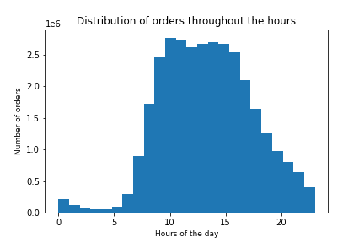
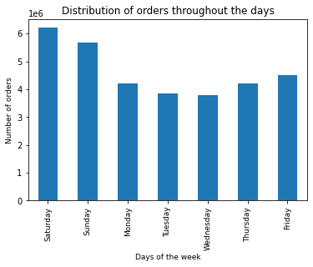

2. Are there particular times of the day when people spend the most money?
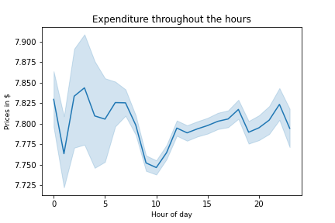
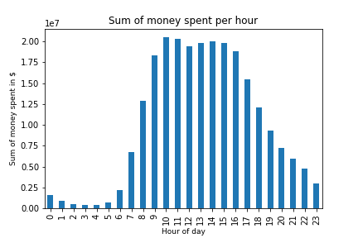

3. Instacart has a lot of products with different price tags. Marketing and sales want to use simpler price range groupings to help direct their efforts.

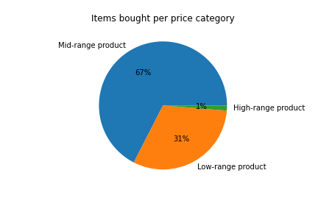
 | Category | Description
 | Low-range product) | Item price under $5
 | Mid-range product | Item price between $5-$15
 | High-range product | Item price over $15

4. Are there certain types of products that are more popular than others?

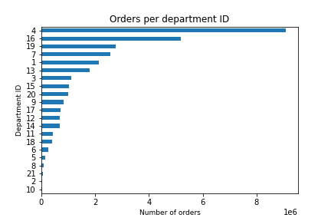

 | department_id | department
 | 1 | frozen
 | 2 | other
 | 3 | bakery
 | 4 | produce
 | 5 | alcohol
 | 6 | international
 | 7 | beverages
 | 8 | pets
 | 9 | dry goods pasta
 | 10 | bulk
 | 11 | personal care
 | 12 | meat seafood
 | 13 | pantry
 | 14 | breakfast
 | 15 | canned goods
 | 16 | dairy eggs
 | 17 | household
 | 18 | babies
 | 19 | snacks
 | 20 | deli
 | 21 | missing

5. What’s the distribution among users in regards to their brand loyalty (i.e., how often do they return to Instacart)?

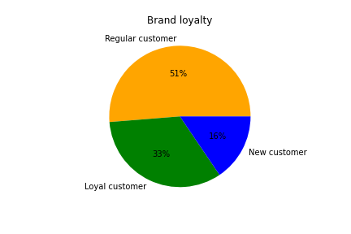

 | Category | Description
 | New customer | No.of orders less than 10
 | Regular customer | No of orders between 10 and 40
 | Loyal customer | No.of orders more than 40

6. Are there differences in ordering habits based on a customer’s loyalty status?

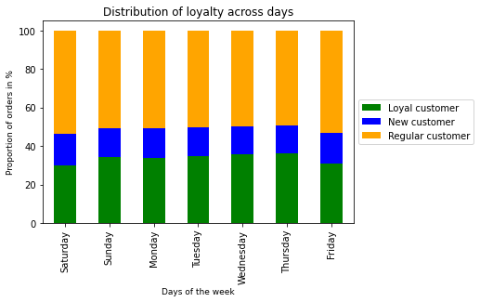
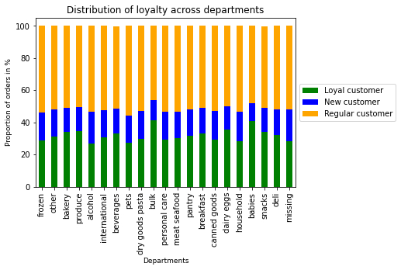

7. Are there differences in ordering habits based on a customer’s region?
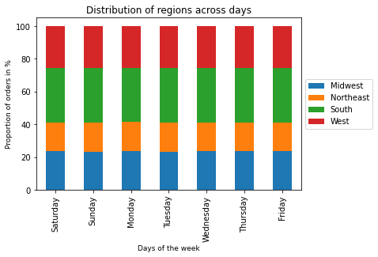
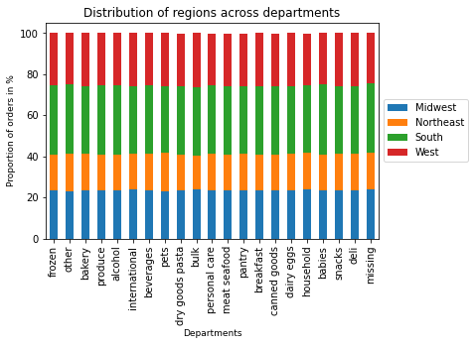

8. Is there a connection between age and family status in terms of ordering habits?
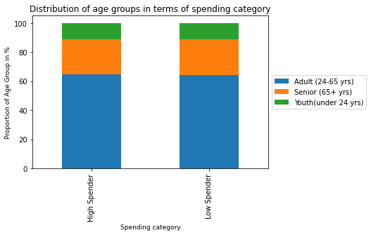
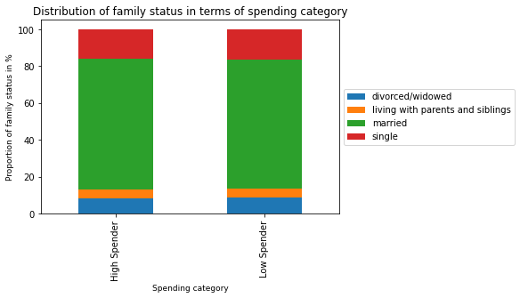

9. What different classifications does the demographic information suggest? Age? Income? Family status?
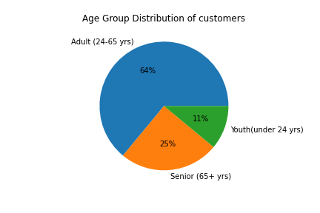
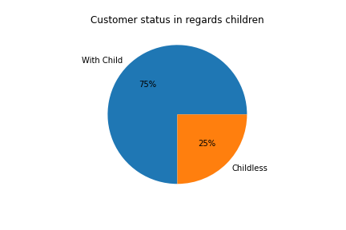
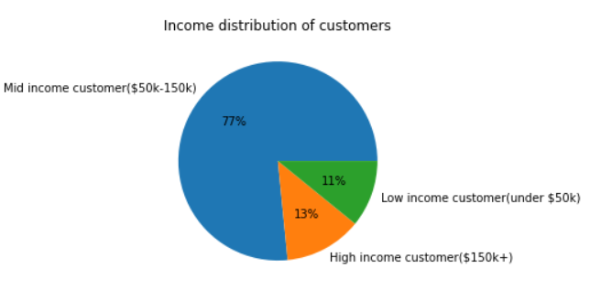

10. What differences can you find in ordering habits of different customer profiles? Consider the price of orders, the frequency of orders, the products customers are ordering

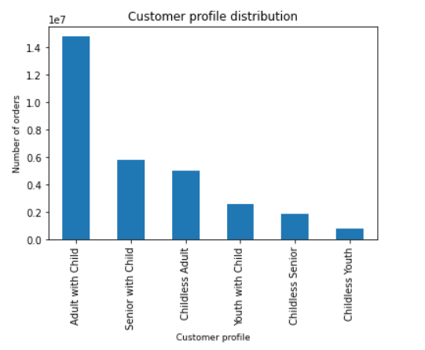
 | Customer_profile | Avg. No. Of orders | Customer_profile | Most orders in department with department_id
 | Youth with Child | 18.04 | Adult with Child | 4
 | Childless Adult | 18.04 | Childless Adult | 4
 | Childless Senior | 17.82 | Childless Senior | 4
 | Senior with Child | 17.78 | Childless Youth | 4
 | Childless Youth | 17.77 | Senior with Child | 4
 | Adult with Child | 17.75 | Youth with Child | 4

 | Customer_profile | Avg. Price of order
 | Childless Senior | 7.802
 | Youth with Child | 7.796
 | Senior with Child | 7.792
 | Adult with Child | 7.790
 | Childless Adult | 7.787
 | Childless Youth | 7.774

7. Recommendations
 |  |  | Title page

Recommendations

Question | Answer | Recommendation
1.What are the busiest days of the week and hours of the day? (i.e., the days and times with the most orders) | On the bar chart we can see that the busiest days of the week are Saturday and Sunday. The histogram shows in an hourly (24 bins) breakdown the frequency of the orders. Most of the orders take place between 9-17 during the day and the least orders are between 2-5 AM. | Ads can be scheduled at the times when there are fewer orders: on the weekdays outside of the peak hours (9-17).
2. Are there particular times of the day when people spend the most money? | The line chart shows clearly that the most expensive items are bought in the early hours but in absolute value the most money is spent during the day between 9-17. | Incase the aim of strategy is to boost sales of expensive items than ads needs to be placed in the early hours where these items are bought the most.
3.Instacart has a lot of products with different price tags. Marketing and sales want to use simpler price range groupings to help direct their efforts. | Three price range categories were created. The pie chart shows the distribution of orders among the categories. | This simple categorisation can be used for the marketing strategy.
4. Are there certain types of products that are more popular than others? The marketing and sales teams want to know which departments have the highest frequency of product orders | Following departments are the top 3 selling: "Produce", Diary Eggs" and "Snacks" | To boost sales focus can be put on less popular departments.
5. What’s the distribution among users in regards to their brand loyalty (i.e., how often do they return to Instacart)? | A loyalty flag have been created to categorise customers. Their distribution can be seen on the pie chart. | Regular and new customers can be targeted to increase their order numbers and make them loyal customers by the time.
6. Are there differences in ordering habits based on a customer’s loyalty status? | New and regular customers have the highest proportion of orders on Friday and Saturday and the highest proportion of their orders are within the departments alcohol, household and pets. | These observations can be considered when targeting new and regular customers.
7. Are there differences in ordering habits based on a customer’s region? | There are no regional differences. The stacked bar charts shows an equal proportion of order numbers among regions across departments and day of the week. | No regional differences are required in the marketing strategy.
8. Is there a connection between age and family status in terms of ordering habits? | Age and family status does not significantly influence if a customer will be high or low spender. We can see in the stacked bar charts that the distribution of age group categories and family status categories are not significantly different between low and high spenders. | Age and family status can be disregarded when focusing on spending power.
9. What different classifications does the demographic information suggest? Age? Income? Family status? | Age and income have been classified in 3 categories. Distribution of the categories are represented by the pie charts. Family status was categorical data and have not been further classified. Based on the number of dependants a classification has been created: weather a customer has children or is childless. | Important insight for the marketing strategy is that most of the IC customers are adults, have mid-ranged income and have at least one child.
10.What differences can you find in ordering habits of different customer profiles? Consider the price of orders, the frequency of orders, the products customers are ordering | Most of the orders are generated by the profile "Adult with child". Young customers with children and childless adults tend to buy the most items but the most expensive items are bought by childless Seniors. Across all customers profiles the most popular department is "produce". | These observations can be considered for the marketing strategy.

